Task
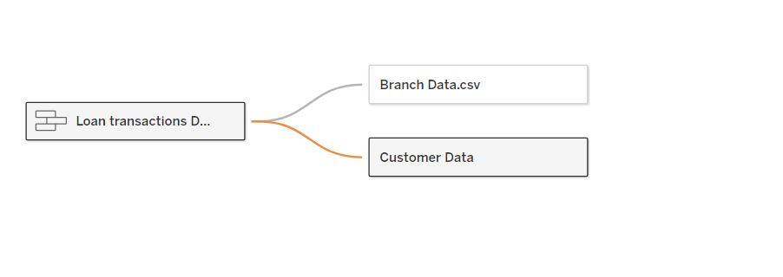
Data Collection for Fusion Finance
In the heart of New York City's financial district, a sleek glass building with the name "Fusion Finance" towered above. "Fusion Finance" is a financial company that has revolutionized personal finance management through advanced technological solutions. Founded by a team of brilliant tech entrepreneurs, Fusion Finance is changing the face of finance and solidifying its place as a leader in the industry. The company has now hired you as a freelancer and wants you to perform several tasks using finance data: Tasks: Load the data in Tableau: Use the specified formats, loading the customer file (Excel format) and other files (CSV format). Establish Connections: Create relationships between the different tables within Tableau. Add Loan Transactions: Integrate bug loan transactions into the existing loan transactions data.

Your Output should be :

